FERA
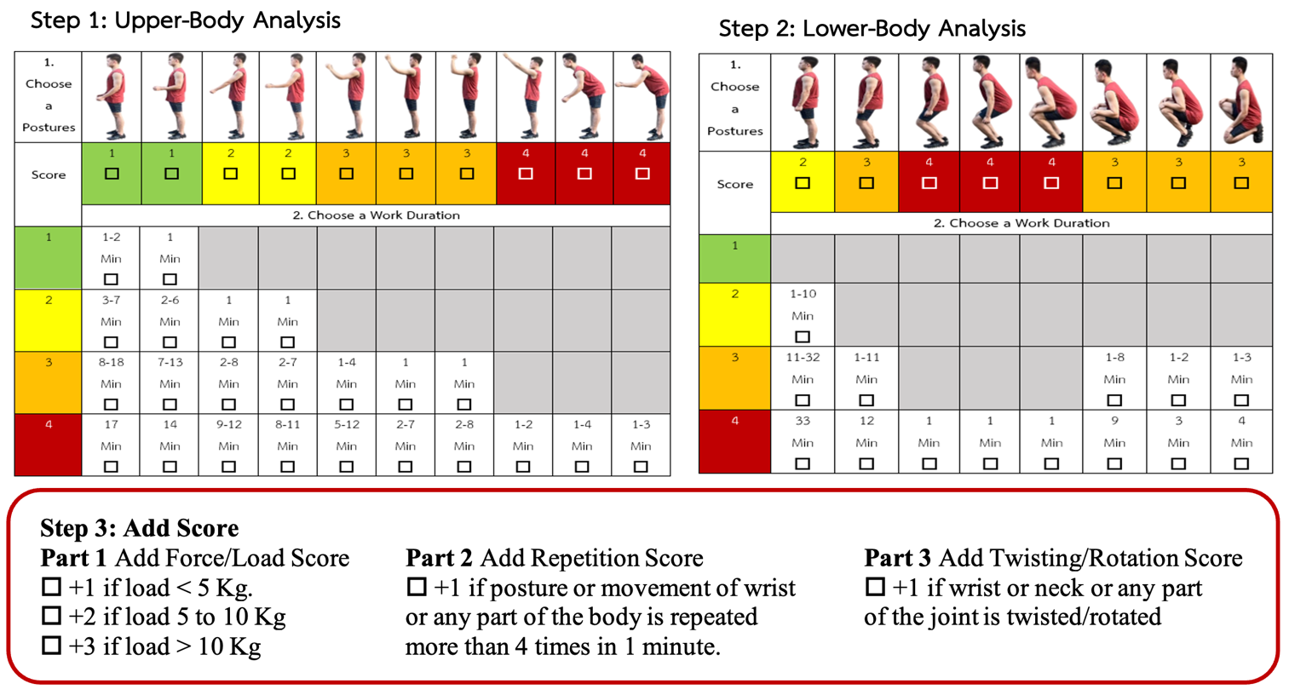
Farmers’ Ergonomic Risk Assessment (FERA)
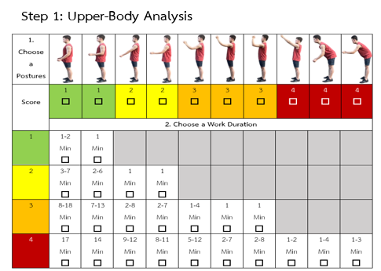
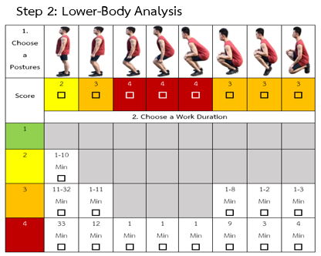

Step 3: Add Score
Part 1 | Add Force/Load Score | Part 2 | Add Repetition Score | Part 3 | Add Twisting/Rotation Score
1 |  | 1 |  | 1 |  |  |  | 0
 |  |  |  |  |  |  |  | 1
Step 4: Find the number for Score A in Table A for both Upper and Lower body parts |  |  |  |  |  |  |  | 2
 | Upper Body Score | 4 | Lower Body Score | 4 |  |  |  | 3
 |  |  |  |  |  |  |  | 4
Step 5: FERA Score
 | Table B score (UB *LB) | 16 | Add Score (Step 3) | 3 | Final FERA Score | 19

Instructions: Step 1. The body assessment was divided into two parts as follows: Part 1: Upper-Body Assessment, which mainly considers the position of the shoulders, arms, and back, and Part 2: Lower-Body Assessment, which primarily considers the position of the legs and feet. This step has a maximum score of 4 points. Select from the dropdown menu. Step 2. Estimating the duration of work: Work duration was divided into two parts: Part 1, Upper-Body Assessment, and Part 2, Lower-Body Assessment. Select from the dropdown menu. Step 3. Additional score to risk posture and work duration according to force effort, repeated posture, and twist application: The modification score from adding to the previous steps was divided into three parts as follows: Part 1: Force effort +1, means less than 5 kg of effort, +2 means between 5 and 10 kg of effort, and +3 means more than 10 kg of effort, Part 2: The posture is repeated or the wrist is used repeatedly or any part is used more than 4 times in 1 minute, and Part 3: +1 means twisting/turning of the wrist or neck or any other joint while working. This step has a maximum score of 5. Select from the dropdown menu for each Part. If N/A, select 0. Step 4: Find the number for Score A in Table A for both Upper and Lower body parts and select from the dropdown menu. Step 5. The tool will automatically calculate the FERA score for you. The final FERA score is color-coded based on the risk level. |  |  |  |  |  |  | 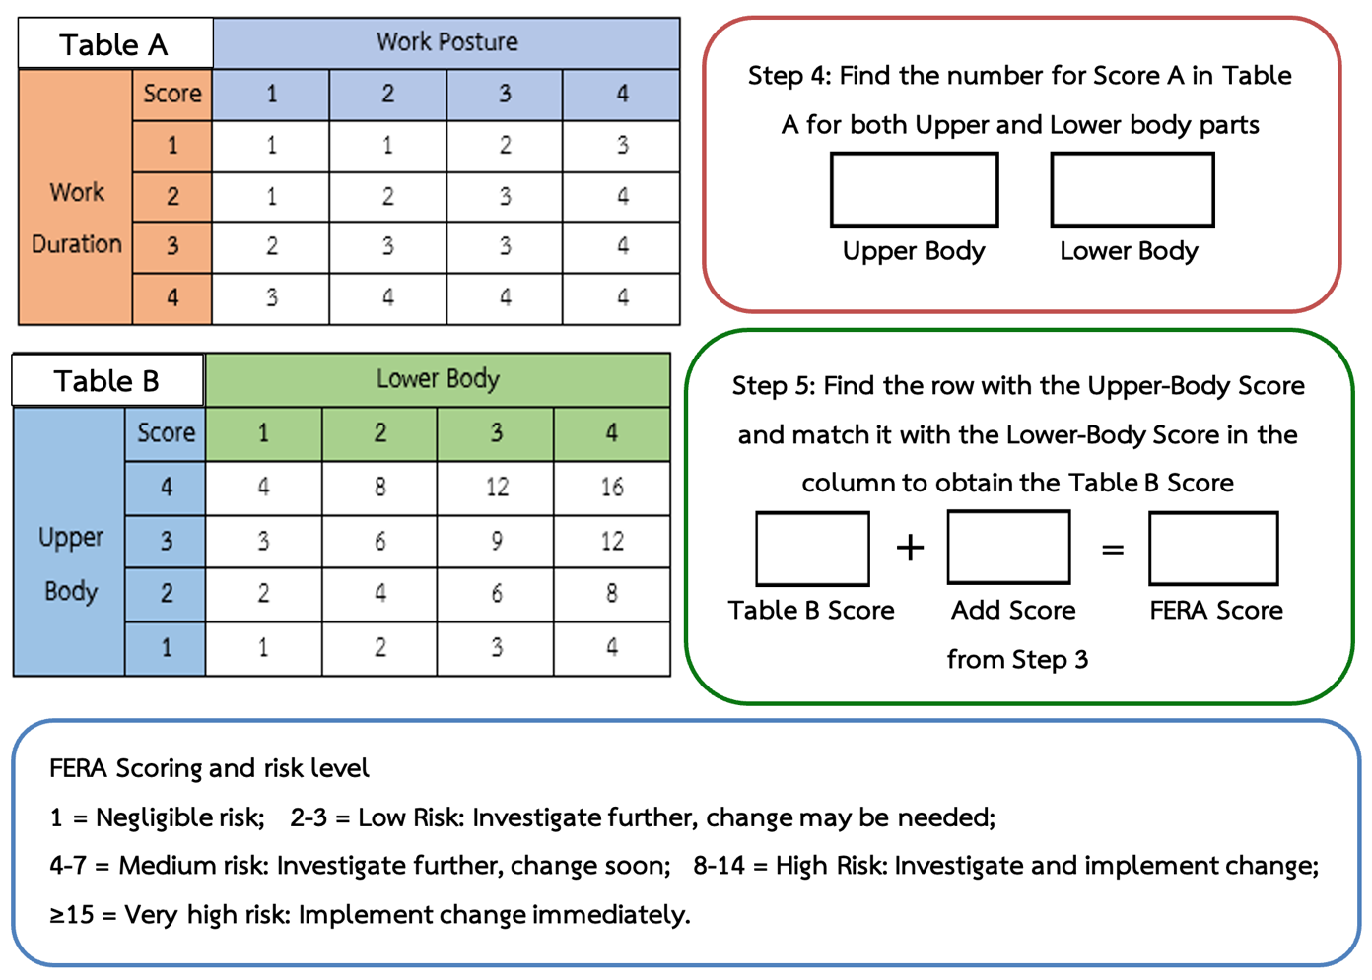
 | Produced by Prof.Dr.Sunisa Chaiklieng. Faculty of Public Health, Khon Kaen University, Thailand (email:csunis@kku.ac.th)

